Index

Bharti Airtel Ltd.

 | 📥 INPUTS

 | Assumptions
 | P&L Input
 | BS Input
 | CF Input
 | Market Data
 | Equity Beta
 | Comps Data

 | 📊Calculation & Analysis

 | Common Sizing
 | Revenue Build-up
 | Working Capital
 | Income Statement
 | Balance Sheet
 | Cash Flows
 | Standard Income Statement
 | Ratio Analysis
 | DCF Valuation
 | COMPS
 | Charts
 | FAS

Assumptions
Bharti Airtel Ltd.

 | Company Description | Bharti Airtel Ltd.
 | ISIN Code | INE397D01024
 | Sector Name | Telecommunication
 | Industry | Telecom Services
 | Exchange Name | BSE:532454 NSE:BHARTIARTL
 | Website | https://www.airtel.in
 | Company Description | Bharti Airtel Limited is one of India's leading telecommunications companies and a global provider of communication and digital services. Founded in 1995 and headquartered in Gurugram, Haryana, the company operates across India and 14 countries in Africa. Airtel offers a diversified portfolio including mobile services, broadband, digital TV, enterprise solutions, data centers, cloud services, and fintech through Airtel Payments Bank. The company serves over 590 million customers globally and has established a strong market position through continuous investments in network infrastructure, spectrum assets, and digital technologies. Airtel's business model is supported by multiple revenue streams across consumer, enterprise, home broadband, and infrastructure services. For FY2025–26, Bharti Airtel reported consolidated revenue of ₹2,109.7 billion and net profit of ₹338.2 billion, reflecting strong operational performance driven by customer additions, higher data consumption, premiumization, and expansion of digital services. |  |  | 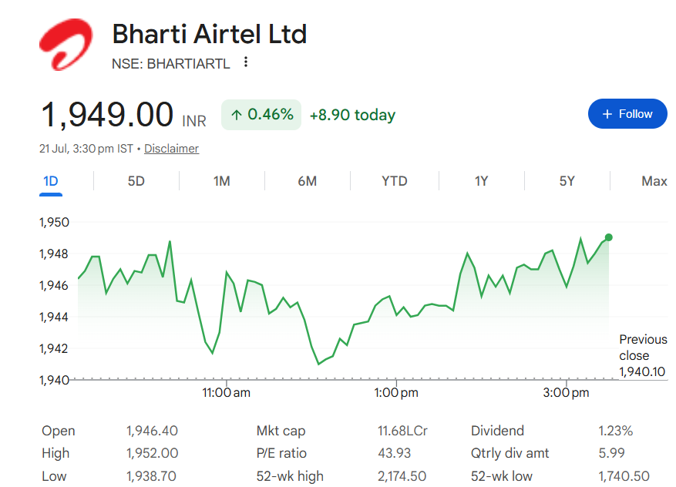
 | Current Market Price | 1949

 | Scenario |  | Case
 | Base case |  | 2

 | Company data
 | Particulars |  | Amount
 | No of Outstanding shares | Nos | 6,094,393,000
 | Face Value per share | Rs. | 5
 | Current Market Price | Rs. | 1,949
 | Market Capitalisation | INR in Crs | 1,187,797.20

 | Assumptions
 | Perpetual Growth rate | % | 4.00%
 | 10 year Bond yield rate | % | 6.71%
 | Interest rate | % | 7.49%

 |  |  |  |  |  | (INR in millions)
 | Company Revenue by Geography
 | Year | India |  | Africa | South Asia |  | Others
 | 2022 | 777,402 |  | 345,611 | 3,716 |  | 38,740
 | 2023 | 928,568 |  | 416,024 | 2,669 |  | 44,187
 | 2024 | 1,041,523 |  | 404,995 | 3,469 |  | 49,837
 | 2025 | 1,264,125 |  | 413,798 | 878 |  | 51,051
 | 2026 | 1,550,658 |  | 520,330 | 8,719 |  | 30,021

 | Headings | Reference | Assumptions
 | Revenue Buildup | H29:Q29 | Revenue Forecasting Assumptions • Mobile Services India: Forecast based on the 5-year historical average growth with gradual annual tapering. • Mobile Services Africa: Forecast based on historical average growth with gradual tapering. • Airtel Business: Forecast based on historical average growth and gradual moderation. • Passive Infrastructure Services: Forecast based on historical average growth with gradual tapering. • Homes Services: Forecast based on historical average growth and gradual tapering. • Other Operating Revenue: Forecast based on historical average/median growth. • Exceptional Items: Forecast based on historical average progression. No abnormal future gains assumed. • Discontinued revenue segments have not been projected beyond the historical period.
 |  | H18:Q18 G12:Q12 | Other Income and Exceptional Items for the forecast period 2027–2036 are projected as a constant percentage of total revenue, calculated based on the 5-year average audited for Other Income and the 3-year average audited for Exceptional Items.
 | Cost Buildup | H22:Q22 H28:Q28 | Employee Benefit Expenses and Other Expenses for the forecast period 2027–2036 are projected as a constant percentage of total revenue, based on the 5-year audited average.
 |  | H31:Q31 | Finance Costs are estimated using a fixed borrowing rate, derived from the five-year average of interest expenses relative to total debt, and applied consistently throughout the projected period.
 |  | H34:Q34 | Tax rate is derived from the latest audited figures, starting at 25% in FY2026 after a 0.5% uplift. It is expected to rise by 1% every two years over the forecast period.
 | FAS | H173:Q173 | Since FY2026 audited financial data is not available, FY2025 figures have been used as the base for forecasting the additions, disposals and depreciation of Property, Plant & Equipment (PPE), Intangible Assets and ROU Assets. A conservative growth rate of 4% has been assumed for the first projected year and every 3 years thereafter.
 |  | H173:Q173 | Capital WIP is forecasted at same absolute growth and increased by 4% for every 3 years.
 | BS Items | H12:Q12 H61:Q61 | Balance sheet items are projected as % on Revenue using the latest previous year's % as base otherwise as mentioned and Borrowings are adjusted (assumed to be taken/repaid) based on availability of Cash & Cash equivalents
 | Working Capital | H11:Q11 H12:Q12 | Trade Receivables and Trade Payables are projected as a fixed percentage of revenue, based on the average proportions observed over the last five audited years.
 | Income Statement | H48:Q48 | Total dividend payments have been projected by assuming a constant dividend payout ratio of 21%, based on the latest historical payout trend. The payout ratio has been maintained throughout the forecast period (FY2027–FY2036).
 | Balance Sheet | H35:Q35 | Cash and Cash equivalents are taken as the Balancing Figure

Summary
Bharti Airtel Ltd.

Valuation Summary - Football Field

Valuation Summary - Football Field
 |  |  |  |  |  | Market
 |  |  | Comps | DCF | 52-week hi/lo | Consensus
 | High |  | 1,819 | 4,161 | 1948.4 | 2,355
 | High |  | 1,819 | 4,161 | 1,948 | 2,355
 | Low |  | 0.850 | 1,676 | 1,775 | 2,180
 | Low |  | 0.850 | 1,676 | 1,775 | 2,180
 | Range (High - Low) |  | 1,818 | 2,485 | 173.2 | 175
Valuation Summary

Broker Analysis |  | Date | LTP | Target Price
ICICI Direct Research |  | 5/17/2026 | 1,950 | 2,350
Axis Securities |  | 2026-05-15 | 1,834 | 2,200
Geojit BNP Paribas |  | 6/23/2026 | 1,912 | 2,180
Motilal Oswal |  | 2/7/2026 | 1,912 | 2,355

Charts
Bharti Airtel Ltd - Key Charts

EBITDA vs Net Profit
 | EBITDA | Net Profit
2022 | 580682.0 | 83052.0
2023 | 722101.0 | 122874.0
2024 | 797272.0 | 85580.0
2025 | 947329.0 | 374813.0
2026 | 1224918.0 | 338228.0
2027 | 1348735.0 | 375367.6
2028 | 1518498.8 | 457584.6
2029 | 1693900.2 | 544932.8
2030 | 1872033.6 | 659899.4
2031 | 2049559.6 | 726442.9
2032 | 2222794.7 | 821523.4
2033 | 2387828.3 | 899248.4
2034 | 2540665.8 | 977716.5
2035 | 2677388.3 | 1040488.4
2036 | 2794322.3 | 1092799.4
Revenue & YoY Growth
 | Total Income
2022 | 1170812.0
2023 | 1400814.0
2024 | 1514178.0
2025 | 1745589.0
2026 | 2137901.0
2027 | 2541290.4
2028 | 2861159.8
2029 | 3191651.6
2030 | 3527291.0
2031 | 3861786.1
2032 | 4188196.1
2033 | 4499152.9
2034 | 4787129.7
2035 | 5044742.7
2036 | 5265070.2

ROE vs ROIC
 | ROE | ROIC
2022 |  | 6.7%
2023 | 8.4% | 8.3%
2024 | 11.6% | 8.9%
2025 | 6.6% | 13.7%
2026 | 21.5% | 14.5%
2027 | 16.1% | 13.6%
2028 | 15.5% | 14.6%
2029 | 16.3% | 15.3%
2030 | 16.6% | 15.5%
2031 | 17.4% | 15.6%
2032 | 16.6% | 15.7%
2033 | 16.5% | 15.0%
2034 | 16.0% | 14.5%
2035 | 15.6% | 13.9%
2036 | 15.1% | 12.9%

